q-Q
Wood type | Higher heating value | Floor loading (HHRR) | Heat flux max (qm) | Heat flux average (qa) |  |  | Average heat flux | Maximum heat flux
 | (MJ/(kgDS)) | (MW/m2) | (kW/m2) | (kW/m2) | Equation parameter heat flux a | aq | 30.514706 | 48.823529
 |  | 3.0 | 140 | 87.500 | Equation parameter heat flux b | bq | -2.812500 | -4.500000
Softwood 14 (MJ/(kgDS)) | 14.000 | 3.3 | 160 | 100.000
Hardwood 13 (MJ/(kgDS)) | 13.000 | 3.5 | 166 | 103.750
 |  | 3.8 | 180 | 112.500
Hardwood 13 (MJ/(kgDS)) | 13.000

k-T
Deposit type | Thermal conductivity | Temperature | Carbon steel (4L7) | Austenitic stainless steel (304L) | Sanicro 38 | Magnetite (Fe3O4) | Hematite (Fe2O3) | Temperature | Magnetite (Fe3O4) | Deposits | Smelt
 | (W/mK) |  | Thermal conductivity |  |  |  |  |  | Thermal conductivity
 |  | (oC) | (W/mK) |  |  |  |  | (oC) | (W/mK)
Iron oxides (3,0 W/mK) | 3.000 | 20 |  | 15 |  |  |  | 0 | 3 | 0.3 | 0.6
Iron and other impurities (0,3 W/mK) | 0.300 | 23 |  |  | 11 |  |  | 700 | 3 | 0.3 | 0.6
 |  | 100 | 48 | 16 | 12 | 3.72 | 5.92
Iron and other impurities (0,3 W/mK) | 0.300 | 200 | 47 | 18 |  | 3.58 | 2.25
 |  | 300 | 46 | 20 | 16 | 3.44 | 4.59
 |  | 400 | 44 | 22 |  | 3.31 | 3.93
 |  | 500 | 42 | 23 | 19
 |  | 600 |  | 25
 |  | 700 |  | 26
 |  | Source | Sanicro® 67 for black liquor recovery boilers — Alleima | Alleima® 3R12 — Alleima | Sanicro® 67 for black liquor recovery boilers — Alleima | (Molgaard and Smeltzer, 1971)

 | Carbon steel (4L7) |  | Austenitic stainless steel (304L) |  | Sanicro 38 |  | Magnetite (Fe3O4) |  | Hematite (Fe2O3) |  | Smelt |  | Deposits
100 | 48 | 20 | 15 | 23 | 11 | 100 | 3.72 | 100 | 5.92 | 0 | 0.6 | 0 | 0.3
200 | 47 | 100 | 16 | 100 | 12 | 200 | 3.58 | 200 | 2.25 | 700 | 0.6 | 700 | 0.3
300 | 46 | 200 | 18 | 300 | 16 | 300 | 3.44 | 300 | 4.59
400 | 44 | 300 | 20 | 500 | 19 | 400 | 3.31 | 400 | 3.93
500 | 42 | 400 | 22
 |  | 500 | 23
 |  | 600 | 25
 |  | 700 | 26
Equation parameter k carbon steel a | acs | -2.142857E-05
Equation parameter k carbon steel b | bcs | -2.142857E-03
Equation parameter k carbon steel c | ccs | 4.840000E+01

Equation parameter k cladding 304 a | a304 | 1.682663E-02
Equation parameter k cladding 304 b | b304 | 1.469361E+01

Equation parameter k cladding 38 a | a38 | 1.722687E-02
Equation parameter k cladding 38 b | b38 | 1.052490E+01

CR-T
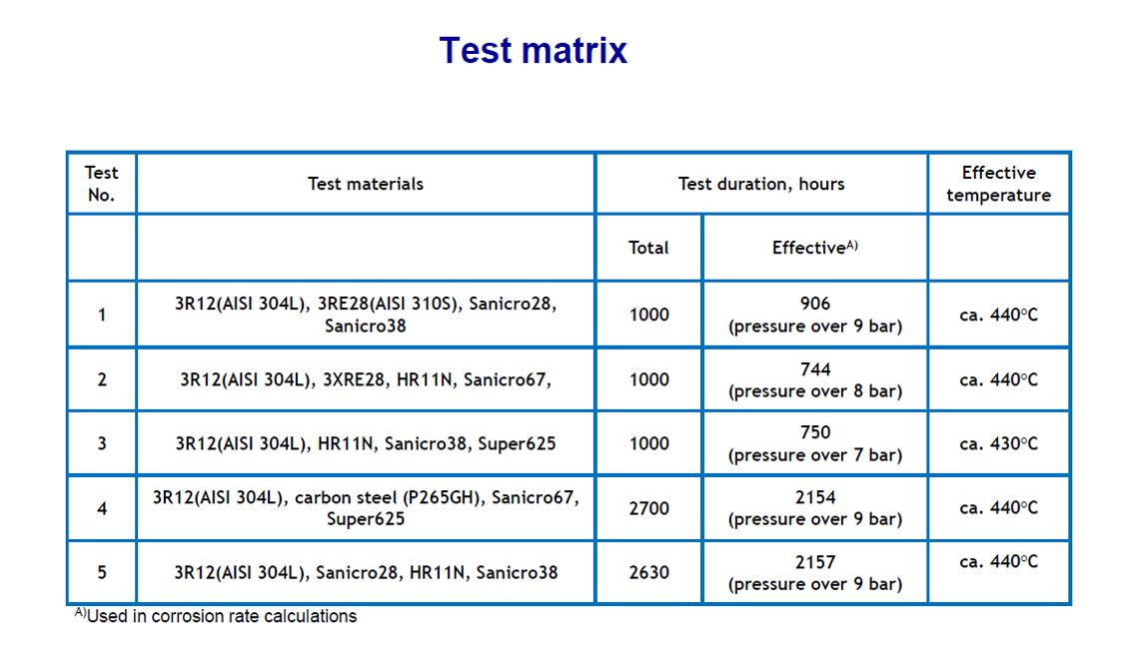
Source | 304 temperature | 304 CR | Sanicro 38 temperature | Sanicro 38 CR |  |  | AISI 304 | Sanicro 38
 | (oC) | (mm/y) | (oC) | (mm/y) | Equation parameter CR a | aCR | -9.729229E-06 | 1.325396E-05
(Kiwa, 2014) |  |  | 374.650 | 0.000 | Equation parameter CR b | bCR | 1.716219E-02 | -9.726184E-03
(Khodahami, 2024) | 381.059 | 0.059 |  |  | Equation parameter CR c | cCR | -5.067784E+00 | 1.783554E+00
(Pohjanne, 2013) | 440.000 | 0.600 | 440.000 | 0.070
Chosen point |  |  | 490.000 | 0.200 | Temperature 0 CR | TnCR | 375.014 | 374.651
(Liikola, 2015) | 655.143 | 2.000
 | AISI 304 |  | Sanicro 38
 |  | 374.650 | 0.000
381.059 | 0.059
440.000 | 0.600 | 440.000 | 0.070
 |  | 490.000 | 0.200
655.143 | 2.000

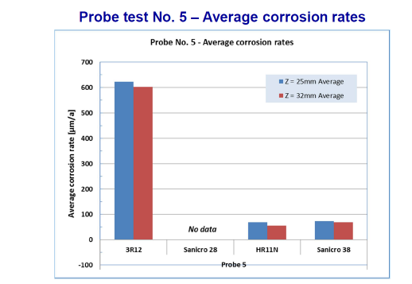

 |  |  |  |  |  |  |  |  | Temperature [oC] | Corrosion rating [mm/y] |  |  | H2S concentration ppm | Comments | Source
 |  |  |  |  |  |  |  |  |  | Carbon steel | Austenitic stainless steel | Sanicro 38
 |  |  |  |  |  |  |  |  | 250 | 0.1 | 0 | 0 | 1000 | AISI 304, AISI 310 | (Tavares & Karjunen, 2020)
 |  |  |  |  |  |  |  |  | 300 | 0.4 | 0.1 | 0 | 1000
 |  |  |  |  |  |  |  |  | 350 | 0.8 | 0.3 | 0 | 1000
 |  |  |  |  |  |  |  |  | 400 | 1.7 | 0.6 | 0 | 1000
 |  |  |  |  |  |  |  |  | 450 | 3.3 | 1.4 | 0.2 | 1000
 |  |  |  |  |  |  |  |  | 500 | 5.7 | 2.1 | 0.3 | 1000
 |  |  |  |  |  |  |  |  | 250 | 0.1 | 0 |  | 10000 | AISI 304 | (Salmenoja and Tuiremo, 2001 from Vakkilainen, 2005)
 |  |  |  |  |  |  |  |  | 300 | 0.2 | 0 |  | 10000
 |  |  |  |  |  |  |  |  | 350 | 0.4 | 0 |  | 10000
 |  |  |  |  |  |  |  |  | 400 | 0.7 | 0.1 |  | 10000
 |  |  |  |  |  |  |  |  | 450 | 1.3 | 0.3 |  | 10000
 |  |  |  |  |  |  |  |  | 500 | 2.3 | 0.5 |  | 10000
 |  |  |  |  |  |  |  |  | 550 | 3.5 | 0.8 |  | 10000
 |  |  |  |  |  |  |  |  | 600 | 4.7 | 1.3 |  | 10000
 |  |  |  |  |  |  |  |  | 360 |  | 0.02 | 0.02 | 5000 (H2S-N2 vppm) | 304L | (Mäkipää et al., 2001)
 |  |  |  |  |  |  |  |  | 400 |  | 0.05 | 0.15 | 5000 (H2S-N2 vppm)
 |  |  |  |  |  |  |  |  | 300 | 0.8 | 0 |  | 10000 | 5 % Cr carbon steel, 18Cr-8Ni | (Nickel, n.d.)
 |  |  |  |  |  |  |  |  | 350 | 1.9 | 0 |  | 10000
 |  |  |  |  |  |  |  |  | 400 |  | 0 |  | 10000
 |  |  |  |  |  |  |  |  | 450 |  | 0.1 |  | 10000
 |  |  |  |  |  |  |  |  | 420 |  | 0.12 |  | Low | S30403 | (Nimmervoll et al., 2022)
 |  |  |  |  |  |  |  |  | 480 |  | 0.23 |  | Low
 |  |  |  |  |  |  |  |  | 580 |  | 0.8 |  | Low
 |  |  |  |  |  |  |  |  | 420 |  | 0.12 |  | Medium
 |  |  |  |  |  |  |  |  | 480 |  | 0.27 |  | Medium
 |  |  |  |  |  |  |  |  | 580 |  | 0.95 |  | Medium
 |  |  |  |  |  |  |  |  | 420 |  | 0.16 |  | High
 |  |  |  |  |  |  |  |  | 480 |  | 0.28 |  | High
 |  |  |  |  |  |  |  |  | 580 |  | 1.32 |  | High
 |  |  |  |  |  |  |  |  | 440 |  | 0.05 | 0.10 | 500 | 304L (no water vapor) | (Yli-Olli et al., 2007)
 |  |  |  |  |  |  |  |  | 440 |  | 0.08 | 0.15 | 1000
 |  |  |  |  |  |  |  |  | 440 |  | 0.06 | 0.13 | 2500
 |  |  |  |  |  |  |  |  | 440 |  | 0.09 | 0.20 | 5000
 |  |  |  |  |  |  |  |  | 440 | 4 | 0.6 | 0.07 |  | 304L | (Pohjanne, 2013)
 |  |  |  |  |  |  |  |  | High |  | 0.057 | 0 |  | AISI 304 and Sanicro 38 | (Kiwa, 2014)
 |  |  |  |  |  |  |  |  | Varies |  | 0.058 |  |  | AISI 304 | (Khodahami, 2024)
 |  |  |  |  |  |  |  |  |  |  | 0.059
 |  |  |  |  |  |  |  |  |  |  | 0.041
 |  |  |  |  |  |  |  |  |  |  | 0.047
 |  |  |  |  |  |  |  |  |  |  | 0.030
 |  |  |  |  |  |  |  |  |  |  | 0.026
 |  |  |  |  |  |  |  |  | High |  | 2.000 |  |  | AISI 304 | (Liikola, 2015)

l-q
Furnace height | Heat flux multiplier | Location | Height % | Heat flux % | Old height | Old heat flux multiplier | New height | New heat flux multiplier | Location | Height | Height | Measured | Calculated
0.00% | 160.00% |  |  |  | 0% | 40% | 0.00% | 69% |  | (m) | (%) | (mm/y)
1.00% | 160.00% | Primary air ports | 0.00% | 160.00% | 10% | 130% | 6.82% | 130% | Pos 1 | 0.750 | 1.98% | 0.058 | 0.059
2.00% | 160.00% | Bottom secondary air ports | 5.06% | 158.97% | 20% | 160% | 16.83% | 160% | Pos 2 | 1.400 | 3.69% | 0.059 | 0.058
3.00% | 160.00% | Top secondary air ports | 8.99% | 157.01% | 30% | 150% | 26.83% | 150% | Pos 3 | 2.000 | 5.28% | 0.041 | 0.055
4.00% | 159.50% | Black liquor guns | 22.09% | 144.10% | 40% | 130% | 36.83% | 130% | Pos 4 | 2.600 | 6.86% | 0.047 | 0.053
5.00% | 159.00% | Tertiary air port | 32.40% | 131.37% | 50% | 110% | 46.83% | 110% | Pos 5 | 4.600 | 12.14% | 0.030 | 0.039
6.00% | 158.50% | Nose arch upper edge | 100.00% | 40.00% | 60% | 90% | 56.84% | 90% | Pos 6 | 7.100 | 18.73% | 0.026 | 0.016
7.00% | 158.00% |  |  |  | 70% | 77% | 66.84% | 75%
8.00% | 157.50% | 0 | No Match | Out of Range | 80% | 60% | 76.84% | 60%
9.00% | 157.00% |  |  |  | 90% | 50% | 86.85% | 50%
10.00% | 156.00% | Relative location percentage input | l%i | 4.99% | 100% | 40% | 100.00% | 40%
11.00% | 155.00% | Heat flux multiplier input location | ki | 159.01%
12.00% | 154.00% | Heat flux multiplier input maximum | km | 160.00% | Height primary old |  | 3.18%
13.00% | 153.00% |  |  |  | height primary new |  | 0.00%
14.00% | 152.00%
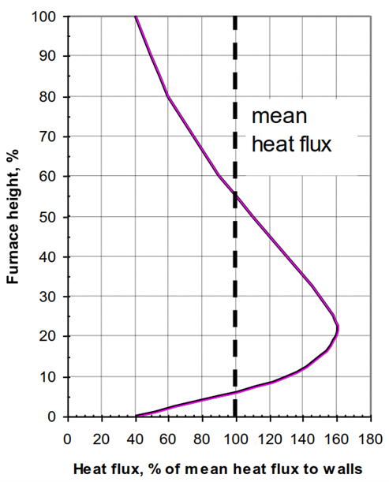
15.00% | 151.00%
16.00% | 150.00%
17.00% | 149.00%
18.00% | 148.00%
19.00% | 147.00%
20.00% | 146.19%
21.00% | 145.19%
22.00% | 144.19%
23.00% | 143.19%
24.00% | 142.19%
25.00% | 141.19%
26.00% | 140.19%
27.00% | 139.19%
28.00% | 138.69%
29.00% | 136.99%
30.00% | 135.74%
31.00% | 133.92%
32.00% | 132.10%
33.00% | 130.28%
34.00% | 128.46%
35.00% | 127.19%
36.00% | 125.83%
37.00% | 124.01%
38.00% | 122.19%
39.00% | 120.37%
40.00% | 118.55%
41.00% | 116.74%
42.00% | 114.92%
43.00% | 113.10%
44.00% | 111.28%
45.00% | 109.46%
46.00% | 107.64%
47.00% | 105.83%
48.00% | 104.01%
49.00% | 102.19%
50.00% | 100.19%
51.00% | 98.17%
52.00% | 96.18%
53.00% | 94.18%
54.00% | 92.18%
55.00% | 90.18%
56.00% | 88.18%
57.00% | 86.18%
58.00% | 84.18%
59.00% | 82.18%
60.00% | 80.82%
61.00% | 79.45%
62.00% | 78.09%
63.00% | 76.73%
64.00% | 75.36%
65.00% | 74.00%
66.00% | 72.63%
67.00% | 71.27%
68.00% | 69.91%
69.00% | 68.54%
70.00% | 67.18%
71.00% | 65.68%
72.00% | 64.18%
73.00% | 62.68%
74.00% | 61.18%
75.00% | 59.68%
76.00% | 58.18%
77.00% | 56.68%
78.00% | 55.18%
79.00% | 53.68%
80.00% | 52.18%
81.00% | 51.27%
82.00% | 50.36%
83.00% | 49.45%
84.00% | 48.54%
85.00% | 47.63%
86.00% | 46.73%
87.00% | 45.82%
88.00% | 44.91%
89.00% | 44.00%
90.00% | 43.09%
91.00% | 42.18%
92.00% | 41.07%
93.00% | 40.96%
94.00% | 40.85%
95.00% | 40.74%
96.00% | 40.62%
97.00% | 40.51%
98.00% | 40.40%
99.00% | 40.29%
100.00% | 40.00%

Average | 100.0000 %

T-xd, CR-xd
Multiplier | Deposit thickness | Deposit thickness | Tcf 304 | Tcf Sanicro 38 | Tcf 304 max | Tcf Sanicro 38 max | 304 CR | Sanicro 38 CR | 304 CR max | Sanicro 38 CR max | Term | Symbol | Unit | AISI 304 | Sanicro 38 | AISI 304 max | Sanicro 38 max
 | (m) | (μm) | (oC) | (oC) | (oC) | (oC) | (mm/y) | (mm/y) | (mm/y) | (mm/y) | Average deposit thickness true | xdt | (m) | 0.0001
0.00 | 0.000000 | 0.00 | 369.25 | 372.19 | 369.53 | 372.48 | 0.000 | 0.000 | 0.000 | 0.000 | Heat flux efficiency | qf | (W/m2) | 106823.7664
0.25 | 0.000025 | 25.00 | 383.41 | 386.35 | 383.77 | 386.73 | 0.082 | 0.004 | 0.086 | 0.004 | Heat flux true | qt | (W/m2) | 169856.8349 |  | 170918.0262
0.50 | 0.000050 | 50.00 | 397.56 | 400.50 | 398.01 | 400.97 | 0.217 | 0.014 | 0.222 | 0.015 | Cladding thickness true | xclt | (m) | 0.0017 | 0.0017 | 0.0017 | 0.0017
0.75 | 0.000075 | 75.00 | 411.72 | 414.65 | 412.26 | 415.21 | 0.349 | 0.029 | 0.354 | 0.030 | Thermal conductivity cladding true | kclt | (W/mK) | 21.6417 | 17.6382 | 21.6510 | 17.6478
1.00 | 0.000100 | 100.00 | 425.87 | 428.81 | 426.50 | 429.45 | 0.477 | 0.050 | 0.482 | 0.051 | Carbon steel thickness true | xcst | (m) | 0.0049 | 0.0049 | 0.0049 | 0.0049
1.25 | 0.000125 | 125.00 | 440.02 | 442.96 | 440.74 | 443.70 | 0.600 | 0.076 | 0.606 | 0.077 | Thermal conductivity carbon steel true | kcst | (W/mK) | 44.2259 |  | 44.2176
1.50 | 0.000150 | 150.00 | 454.18 | 457.12 | 454.99 | 457.94 | 0.720 | 0.107 | 0.727 | 0.109 | Average deposit thickness true | xdt | (m) | 0.0001
1.75 | 0.000175 | 175.00 | 468.33 | 471.27 | 469.23 | 472.18 | 0.836 | 0.144 | 0.843 | 0.146 | Thermal conductivity deposits true | kdt | (W/mK) | 0.3000
2.00 | 0.000200 | 200.00 | 482.49 | 485.43 | 483.47 | 486.43 | 0.948 | 0.185 | 0.956 | 0.189 | Temperature deposit surface facing water | Twd | (oC) | 337.5584 |  | 337.6389
 |  |  |  |  |  |  |  |  |  |  | Heat transfer coefficient | h | (W/m2K) | 13189.2800
 |  |  |  |  |  |  |  |  |  |  | Temperature water/steam | Tw | (oC) | 324.6800
 |  |  |  |  |  |  |  |  |  |  | Equation parameter CR a | aCR |  | -9.72923E-06 | 1.32540E-05 | -9.72923E-06 | 1.32540E-05
 |  |  |  |  |  |  |  |  |  |  | Equation parameter CR b | bCR |  | 1.71622E-02 | -9.72618E-03 | 1.71622E-02 | -9.72618E-03
 |  |  |  |  |  |  |  |  |  |  | Equation parameter CR c | cCR |  | -5.06778E+00 | 1.78355E+00 | -5.06778E+00 | 1.78355E+00
 |  |  |  |  |  |  |  |  |  |  | Temperature 0 CR | TnCR | (oC) | 375.0137 | 374.6512 | 375.0137 | 374.6512

l-CR
Furnace height | Heat flux multiplier | Heat flux location | Tcf 304 | Tcf Sanicro 38 | 304 CR | Sanicro 38 CR | Term | Symbol | Unit | AISI 304 | Sanicro 38
(%) | (%) | (W/m2) | (oC) | (oC) | (mm/y) | (mm/y) | Heat flux efficiency | qf | (W/m2) | 106823.766
0.00% | 160.00% | 170918.026 | 426.502 | 429.460 | 0.482 | 0.051 | Cladding thickness true | xclt | (m) | 0.002 | 0.002
1.00% | 160.00% | 170918.026 | 426.502 | 429.460 | 0.482 | 0.051 | Thermal conductivity cladding true | kclt | (W/mK) | 21.642 | 17.638
2.00% | 160.00% | 170918.026 | 426.502 | 429.460 | 0.482 | 0.051 | Carbon steel thickness true | xcst | (m) | 0.005 | 0.005
3.00% | 160.00% | 170918.026 | 426.502 | 429.460 | 0.482 | 0.051 | Thermal conductivity carbon steel true | kcst | (W/mK) | 44.226
4.00% | 159.50% | 170383.907 | 426.184 | 429.133 | 0.479 | 0.051 | Average deposit thickness true | xdt | (m) | 0.000
5.00% | 159.00% | 169849.789 | 425.866 | 428.805 | 0.476 | 0.050 | Thermal conductivity deposits true | kdt | (W/mK) | 0.300
6.00% | 158.50% | 169315.670 | 425.548 | 428.478 | 0.474 | 0.049 | Heat transfer coefficient | h | (W/m2K) | 13189.280
7.00% | 158.00% | 168781.551 | 425.229 | 428.150 | 0.471 | 0.049 | Temperature water/steam | Tw | (oC) | 324.680
8.00% | 157.50% | 168247.432 | 424.911 | 427.823 | 0.468 | 0.048 | Equation parameter CR a | aCR |  | -9.73E-06 | 1.33E-05
9.00% | 157.00% | 167713.313 | 424.593 | 427.495 | 0.465 | 0.048 | Equation parameter CR b | bCR |  | 1.72E-02 | -9.73E-03
10.00% | 156.00% | 166645.076 | 423.957 | 426.840 | 0.460 | 0.047 | Equation parameter CR c | cCR |  | -5.07E+00 | 1.78E+00
11.00% | 155.00% | 165576.838 | 423.320 | 426.186 | 0.454 | 0.046 | Temperature 0 CR | TnCR | (oC) | 375.014 | 374.651
12.00% | 154.00% | 164508.600 | 422.684 | 425.531 | 0.448 | 0.045
13.00% | 153.00% | 163440.363 | 422.047 | 424.876 | 0.442 | 0.044
14.00% | 152.00% | 162372.125 | 421.411 | 424.221 | 0.437 | 0.043
15.00% | 151.00% | 161303.887 | 420.775 | 423.566 | 0.431 | 0.042
16.00% | 150.00% | 160235.650 | 420.138 | 422.911 | 0.425 | 0.041
17.00% | 149.00% | 159167.412 | 419.502 | 422.256 | 0.420 | 0.040
18.00% | 148.00% | 158099.174 | 418.866 | 421.601 | 0.414 | 0.039
19.00% | 147.00% | 157030.937 | 418.229 | 420.947 | 0.408 | 0.038
20.00% | 146.19% | 156165.664 | 417.714 | 420.416 | 0.403 | 0.037
21.00% | 145.19% | 155097.426 | 417.077 | 419.761 | 0.398 | 0.036
22.00% | 144.19% | 154029.189 | 416.441 | 419.106 | 0.392 | 0.035
23.00% | 143.19% | 152960.951 | 415.805 | 418.451 | 0.386 | 0.034
24.00% | 142.19% | 151892.713 | 415.168 | 417.797 | 0.380 | 0.034
25.00% | 141.19% | 150824.476 | 414.532 | 417.142 | 0.375 | 0.033
26.00% | 140.19% | 149756.238 | 413.895 | 416.487 | 0.369 | 0.032
27.00% | 139.19% | 148688.000 | 413.259 | 415.832 | 0.363 | 0.031
28.00% | 138.69% | 148153.882 | 412.941 | 415.505 | 0.360 | 0.030
29.00% | 136.99% | 146337.878 | 411.859 | 414.391 | 0.350 | 0.029
30.00% | 135.74% | 144997.725 | 411.061 | 413.570 | 0.343 | 0.028
31.00% | 133.92% | 143055.475 | 409.903 | 412.379 | 0.332 | 0.027
32.00% | 132.10% | 141113.224 | 408.746 | 411.188 | 0.322 | 0.025
33.00% | 130.28% | 139170.974 | 407.589 | 409.998 | 0.311 | 0.024
34.00% | 128.46% | 137228.724 | 406.432 | 408.807 | 0.300 | 0.022
35.00% | 127.19% | 135869.148 | 405.622 | 407.974 | 0.293 | 0.022
36.00% | 125.83% | 134412.461 | 404.754 | 407.080 | 0.285 | 0.021
37.00% | 124.01% | 132470.210 | 403.597 | 405.890 | 0.274 | 0.019
38.00% | 122.19% | 130527.960 | 402.440 | 404.699 | 0.263 | 0.018
39.00% | 120.37% | 128585.710 | 401.283 | 403.508 | 0.252 | 0.017
40.00% | 118.55% | 126643.460 | 400.126 | 402.318 | 0.242 | 0.016
41.00% | 116.74% | 124701.209 | 398.969 | 401.127 | 0.231 | 0.015
42.00% | 114.92% | 122758.959 | 397.812 | 399.936 | 0.220 | 0.014
43.00% | 113.10% | 120816.709 | 396.655 | 398.746 | 0.209 | 0.013
44.00% | 111.28% | 118874.458 | 395.498 | 397.555 | 0.198 | 0.012
45.00% | 109.46% | 116932.208 | 394.341 | 396.364 | 0.187 | 0.011
46.00% | 107.64% | 114989.958 | 393.184 | 395.174 | 0.176 | 0.010
47.00% | 105.83% | 113047.707 | 392.027 | 393.983 | 0.165 | 0.009
48.00% | 104.01% | 111105.457 | 390.870 | 392.792 | 0.154 | 0.008
49.00% | 102.19% | 109163.207 | 389.713 | 391.602 | 0.143 | 0.007
50.00% | 100.19% | 107026.732 | 388.440 | 390.292 | 0.131 | 0.006
51.00% | 98.17% | 104868.891 | 387.154 | 388.969 | 0.118 | 0.006
52.00% | 96.18% | 102743.098 | 385.888 | 387.666 | 0.106 | 0.005
53.00% | 94.18% | 100606.623 | 384.615 | 386.356 | 0.094 | 0.004
54.00% | 92.18% | 98470.148 | 383.342 | 385.046 | 0.081 | 0.004
55.00% | 90.18% | 96333.673 | 382.070 | 383.737 | 0.069 | 0.003
56.00% | 88.18% | 94197.197 | 380.797 | 382.427 | 0.057 | 0.002
57.00% | 86.18% | 92060.722 | 379.524 | 381.117 | 0.044 | 0.002
58.00% | 84.18% | 89924.247 | 378.251 | 379.807 | 0.032 | 0.001
59.00% | 82.18% | 87787.771 | 376.978 | 378.498 | 0.019 | 0.001
60.00% | 80.82% | 86331.083 | 376.111 | 377.605 | 0.011 | 0.001
61.00% | 79.45% | 84874.396 | 375.243 | 376.712 | 0.002 | 0.000
62.00% | 78.09% | 83417.708 | 374.375 | 375.819 | 0.000 | 0.000
63.00% | 76.73% | 81961.020 | 373.507 | 374.926 | 0.000 | 0.000
64.00% | 75.36% | 80504.333 | 372.639 | 374.033 | 0.000 | 0.000
65.00% | 74.00% | 79047.645 | 371.772 | 373.140 | 0.000 | 0.000
66.00% | 72.63% | 77590.957 | 370.904 | 372.247 | 0.000 | 0.000
67.00% | 71.27% | 76134.269 | 370.036 | 371.354 | 0.000 | 0.000
68.00% | 69.91% | 74677.582 | 369.168 | 370.460 | 0.000 | 0.000
69.00% | 68.54% | 73220.894 | 368.300 | 369.567 | 0.000 | 0.000
70.00% | 67.18% | 71764.206 | 367.433 | 368.674 | 0.000 | 0.000
71.00% | 65.68% | 70161.850 | 366.478 | 367.692 | 0.000 | 0.000
72.00% | 64.18% | 68559.493 | 365.523 | 366.710 | 0.000 | 0.000
73.00% | 62.68% | 66957.137 | 364.569 | 365.728 | 0.000 | 0.000
74.00% | 61.18% | 65354.780 | 363.614 | 364.745 | 0.000 | 0.000
75.00% | 59.68% | 63752.424 | 362.660 | 363.763 | 0.000 | 0.000
76.00% | 58.18% | 62150.067 | 361.705 | 362.781 | 0.000 | 0.000
77.00% | 56.68% | 60547.711 | 360.751 | 361.798 | 0.000 | 0.000
78.00% | 55.18% | 58945.354 | 359.796 | 360.816 | 0.000 | 0.000
79.00% | 53.68% | 57342.998 | 358.841 | 359.834 | 0.000 | 0.000
80.00% | 52.18% | 55740.641 | 357.887 | 358.851 | 0.000 | 0.000
81.00% | 51.27% | 54769.516 | 357.308 | 358.256 | 0.000 | 0.000
82.00% | 50.36% | 53798.391 | 356.730 | 357.661 | 0.000 | 0.000
83.00% | 49.45% | 52827.266 | 356.151 | 357.065 | 0.000 | 0.000
84.00% | 48.54% | 51856.141 | 355.573 | 356.470 | 0.000 | 0.000
85.00% | 47.63% | 50885.016 | 354.994 | 355.875 | 0.000 | 0.000
86.00% | 46.73% | 49913.890 | 354.416 | 355.279 | 0.000 | 0.000
87.00% | 45.82% | 48942.765 | 353.837 | 354.684 | 0.000 | 0.000
88.00% | 44.91% | 47971.640 | 353.258 | 354.089 | 0.000 | 0.000
89.00% | 44.00% | 47000.515 | 352.680 | 353.493 | 0.000 | 0.000
90.00% | 43.09% | 46029.390 | 352.101 | 352.898 | 0.000 | 0.000
91.00% | 42.18% | 45058.265 | 351.523 | 352.303 | 0.000 | 0.000
92.00% | 41.07% | 43871.334 | 350.816 | 351.575 | 0.000 | 0.000
93.00% | 40.96% | 43752.641 | 350.745 | 351.502 | 0.000 | 0.000
94.00% | 40.85% | 43633.948 | 350.674 | 351.429 | 0.000 | 0.000
95.00% | 40.74% | 43515.255 | 350.604 | 351.357 | 0.000 | 0.000
96.00% | 40.62% | 43396.562 | 350.533 | 351.284 | 0.000 | 0.000
97.00% | 40.51% | 43277.869 | 350.462 | 351.211 | 0.000 | 0.000
98.00% | 40.40% | 43159.175 | 350.392 | 351.138 | 0.000 | 0.000
99.00% | 40.29% | 43040.482 | 350.321 | 351.066 | 0.000 | 0.000
100.00% | 40.00% | 42729.507 | 350.136 | 350.875 | 0.000 | 0.000

T-x
Deposit surface facing water
Deposit-carbon steel interface
Term | Symbol | Unit | AISI 304 | Sanicro 38
Temperature water/steam | Tw | (oC) | 324.680 | 324.680
Temperature deposit surface facing water | Twd | (oC) | 337.558 | 337.558
Water
Temperature deposit-carbon steel interface | Tdc | (oC) | 394.177 | 394.177
Temperature carbon steel-cladding interface | Tcc | (oC) | 412.920 | 412.920
Temperature cladding surface facing furnace | Tcf | (oC) | 425.870 | 428.809
Temperature smelt surface facing furnace standard | Tss | (oC) | 720.000 | 720.000

Water | x_w | (mm) | -1.0 | -1.0
Deposit surface facing water | x_wd | (mm) | 0.0 | 0.0
Deposit-carbon steel interface | x_dc | (mm) | 0.1 | 0.1
Carbon-steel cladding interface | x_cc | (mm) | 5.7 | 5.7
Cladding surface facing furnace | x_cf | (mm) | 7.5 | 7.5
Smalt surface facing furnace | x_ss | (mm) | 9.0 | 9.0

